FCDO Risk Guidance
Risk Guidance for UK Aid Direct and UK Aid Match
Please read all guidance below before updating your risk register
This risk register template will need to be filled out and submitted by grant holders as part of their quarterly reporting schedule. It will need to be uploaded through the SMILE system. Your Performance and Risk Manager (PRM) will review the register on this quarterly basis and hold any necessary discussions with you about the risks identified in the table. MannionDaniels will then escalate any key risks to the Foreign, Commonwealth, and Development Office (FCDO) as part of the quarterly fund management review with FCDO. Your risks must be reported in line with FCDO's structure, descriptions and ratings used included in this template. Your PRM will ask you to resubmit your quarterly risks if you do not report your risks using this template or follow the guidance below on how to describe and rate risks. This risk register should be used a live project management tool and historical record for the duration of your FCDO grant. Guidance on how to make updates to the risk register are outlined in the section below. Grant holders are expected to consider and document risks that are likely to occur in the coming months due to the scheduled activities or events on the horizon as well as any longer term, broader risks. It is expected that a range of risks from the six FCDO categories are identified and documented and grant holders may have multiple risks per category. Please try to think beyond the more generic risks such as drought, political instability, or natural disasters and also include those that are directly related to the day-to-day delivery and operations of your project. Every project must include at least one safeguarding and fiduciary risk around fraud and financial misappropriation. Avoid general statements such as “there is a risk of fraud” or “ there could be safeguarding risks” when recording these types of risks in the register. Fraud and safeguarding incidents are committed by individuals or organisations so when articulating these kinds of risks be s

How to identify and distinguish risk correctly Good, clear risk descriptions with an understanding of the three key elements of a risk is essential for correctly assessing and then defining how to manage those identified risks. Risks break down into three compenent parts; the cause, the event itself and the impact. All risk descriptions in the register should follow this structure. The below illustrates an example: 1. The cause of the risk (e.g. “Because transport materials into this area can be affected by flooding…”) 2. The risk event or situation itself (e.g. “…there is a risk that cement deliveries will not be made in a timely manner…”) 3. The impact of the risk on the programme (e.g. “…which would mean that latrine bases would not be completed on time”)

Making risk register updates • When updating the risk register, any New / Emerging risks from the previous quarter that are now ongoing risks should be changed to 'open' status in the dropdown list of the relevant column. • Any risks that are closed/resolved over the course of the quarter should have the status changed to closed in the dropdown list of the relevant column, with the date it was closed recorded (column V) and confirmed whether the risk materialised / became an issue (column U). The reason why the risk has been closed should be detailed in the ‘What’s changed’ column and dated. • All open risks need to be updated at each review/reporting period. In particular, the inherent or residual risk ratings should be reviewed, any mitigations should be updated and dated, and it is essential that the ‘What’s changed’ column is updated. The ‘What’s changed’ update should outline how the risk context has changed since the last review period. If it is felt that there is no update for an open risk, it should be outlined why there is no update since the last review period. Updates to the ‘What’s changed’ column for all open risks should be dated, and all previous entries should be left in the cell for a historical record with the most recent entry at the top of the cell. This will make it clear for the PRM to see which is the relevant update for the reporting period. An example entry for the What's Changed column is provided below: 16/07/2020: COVID-19 continues to impact on the local availability of various supplies needed for the project, including PPE. However, a supplier in the neighbouring country has now been identified and contacted to determine if an order can be placed and shipped across the border. 17/05/2020: The rates of COVID-19 have increased significantly across the country and the government has imposed movement restrictions. This is impacting on the local availability of various project supplies, which may start having an impact on project delivery.

The risk register review cycle The diagram below outlines the key elements to consider, discuss and update during each review period of the risk register.

Risk appetite: treatment actions and risk categories Risk appetite is defined by HM Treasury as “the amount of risk which the organisation is prepared to accept, tolerate or be exposed to at any point in time”. Risk is inherent in the challenging contexts in which we operate, so we aim to find an acceptable balance between the costs of managing the risks, and the likely costs and impacts if the risks materialise, as well as the costs of not acting. Risk appetite is helpful in determining how we should respond to risk when it materialises. We can respond to risk in four ways: • Tolerate – minor risks, particularly where they might require considerable action to reduce further, can be tolerated • Transfer – for all risks, no matter the rating, we should consider who else might be worrying about the same risk, and either transfer or share the risk and response • Terminate – severe risks should make us think about what would need to happen for us to exit the situation and remove the risk entirely if it is possible. • Treat – most risks fall in this category – where we are looking to mitigate it by reducing the likelihood or the impact of the risk. Risk appetite is helpful in determining when we should escalate risks: as a general principle, risks that are either major or severe before mitigating action should be considered for escalation. Escalation can help you take a broader view of the risk and learn from others’ approaches, as well as ensure appropriate oversight. Once mitigations are deemed to have reduced the likelihood or impact, risks can be de-escalated again.
FCDO risk appetite varies by the different categories of risk, and mirrors FCDO’s overall risk appetite: • External Context: FCDO has a high appetite for contextual risks. FCDO’s large umbrella civil society funds have a balanced geographic and thematic spread to set overall risk levels at medium. Some projects within these funds will operate in very challenging contexts. Risks relate directly to the impact on the programme. • Fiduciary: FCDO has a very low appetite for fiduciary risk. We will not tolerate our money being mishandled, misappropriated, or otherwise spent beyond the pre-agreed scope of our programmes. We take a zero-tolerance approach to fraud and corruption and report all suspicions to reportingconcerns@FCDO.gov.uk. All fraud cases are recorded, reviewed and appropriate action taken. Lessons learned are shared to raise awareness and build knowledge of types of risks, enablers/red flags, and controls. • Operational: Relates to an internal capacity to effectively oversee implementation of a programme of work and our duty of care to staff. FCDO has a low appetite for operational risk and strive to ensure the highest possible professional competence, experience, and appropriate level of resource in managing our programmes and funds. • Safeguarding: FCDO has a very low appetite for risks that impact staff safety and welfare. FCDO has a low appetite for risk associated with unintended harm to people and to the environment because of our programmes. Since early 2018, FCDO has been focusing in particular on mitigating the risks of sexual exploitation and abuse and sexual harassment across the aid sector: we will try to prevent it, listen to those who are affected and respond sensitively but robustly by acting immediately upon reports and suspicions that it has occurred and learning from every case. FCDO operates within our international obligations including for human rights, gender and for environmental conservation and protection, and we aim to set high e

Risk subcategories by category • Context: Institutional; Political; Conflict; Economic; Climate Change / Environment; Natural Disaster; Public Health; Social / Cultural; Other • Operational: Duty of Care; Personnel Security and Safety; Human Resources; Other • Delivery: Procurement; Technical; Capacity to deliver; Delivery chain / Downstream Partners; Financial Instability / Funding Insecurity; Do No Harm; Assets; Other • Safeguarding: Beneficiary Safeguarding; Staff Safeguarding; Other • Reputational: Communications; Relationships; Public Engagement; Other • Fiduciary: Fraud - Conflict of interest; Fraud - Corruption; Fraud - Contract fraud (bid rigging, facilitation payments, price fixing, non-competitive tendering); Fraud - Ghost or illegible beneficiaries; Fraud - Inappropriate recruitment; Fraud - Misuse of assets; Fraud - Payment fraud; Fraud - Salary and allowance fraud (including expenses); Fraud - Salary and allowance fraud (including expenses); Fraud - Theft of assets (non-cash), Fraud - Theft of cash; Fraud - Unsupported expenditure; Other

Additional risk guidance resources Additional guidance such as previous risk webinars can be found under the grant holder resources section of the UK Aid Direct or UK Aid Match website.

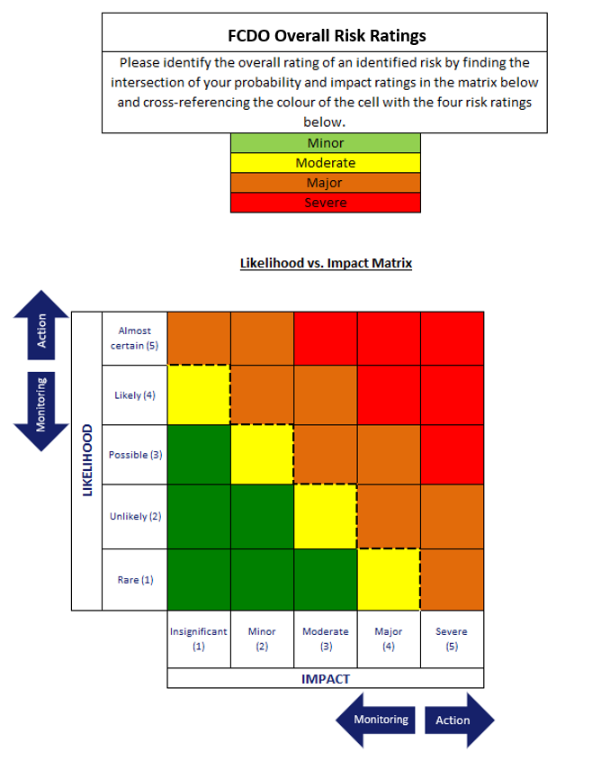 Risk ratings: Likelihood vs. Impact • Minor: Low Probability of risk materialising, limited reduction in outcomes if this occurs • Moderate: Low probability of risk materialising, higher but still limited loss in outcomes if this occurs • Major: Higher probability of risk materialising, outcomes reduced if this occurs but some important outcomes still likely • Severe: High probability of risk materialising, very significant reduction in outcomes when this occurs

Data Summary
Open or New/Emerging Risks by Category
Risk Data Summary Table
Open or New/Emerging Risks | 0
Risks by Category (Open or New/Emerging)
Context | 0
Delivery | 0
Safeguarding | 0
Operational | 0
Fiduciary | 0
Reputational | 0
Inherent Risks by Severity (Open or New/Emerging) |  | Residual Risks by Severity (Open or New/Emerging)
Minor | 0 | Minor | 0
Moderate | 0 | Moderate | 0
Major | 0 | Major | 0
Severe | 0 | Severe | 0
Open Risks | 0 | Upwards Trend | 0
New/Emerging Risks | 0 | Steady Trend | 0
Closed Risks | 0 | Downwards Trend | 0

Inherent Risk (Open or New/Emerging Risks)
Residual Risk (Open or New/Emerging Risks)

Risks by Status
Risks by Trend (Open or New/Emerging Risks)

